bugzila EVRG
Last Revised: 25/4/2019 : Add Ranger Raptor features
http://www.everestclubthailand.com/index.php/board,20.0.html
Feature Name | Module | Address | Value change |  |  | Notes
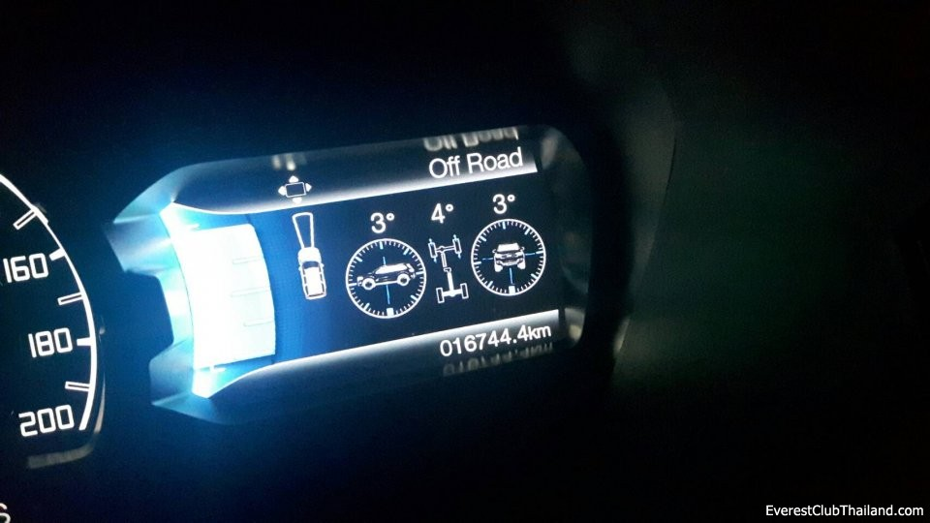
Off Road Gauge. | IPC | 720-07-02 | 0364 or 0204 | xxxx | xxxx | 0364-00 collision detection+Pitch & Roll. Tested TH EV2.2 2016 Ti+ (for front camera model) 0204-00 Pitch & Roll. (for none collision detection model) less tech pack front camera for Everest Trend.Tested TH EV2.2 2015 Ti x3xx-xxxx Off Road Gauge. Pitch Roll don't working x2xx-xxxx Off Road Gauge w/o front camera error/alarm. tested on EV2.2 2x4 x1xx-xxxx Disable Off Road Gauge xxx0-xxxx Display Ford Ranger Picture xxx4-xxxx Display Ford Everest Picture (0004-0034 Default Value TH EV2.2 2015 Ti)
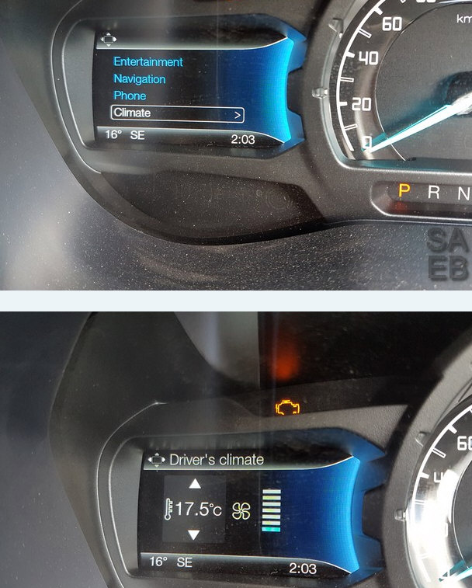
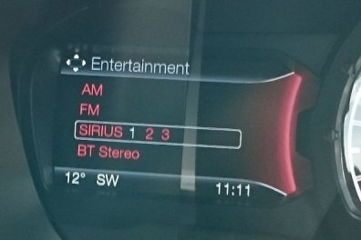
Climate/NAV enabled on left hand screen | IPC | 720-05-01 | E078 | 0342 | 00CA | Original Aus T6
 |  |  | D8B8 | 0342 | 0002 | Climate enabled tested on AUS Ranger
 |  |  | E0B8 | xxxx | xxxx | Tested TH EV2.2 2015 Ti,TH EV2.2 2016 Ti+ or E0A8 CLIMATE, PHONE, ENTERTAINMENT with SIRIUS replaced by DAB same as Richard. C0B8 NAV -COMPASS, CLIMATE, PHONE, ENTERTAINMENT without SIRIUS & DAB and is the one I am currently using. E0B8 will give you Menus Entertainment, Navigation, Phone, Climate and DAB in entertainment menu. Aus Models(Have NAV menu no COMPASS, PHONE, and have ENTERTAINMENT with DAB.. We don't have DAB in Thailand so tried the following code.) E0A8 will give you Menus Entertainment, Compass, Phone, Climate and DAB in entertainment menu. Thai Local Models. Note compass not nav. Bxxx-xxxx-xxxx will give you DAB and Sirius in entertainment menu. Pointless but possible. (C068-0202-0059 Default Value TH EV2.2 2015 Ti, --->E0B8)
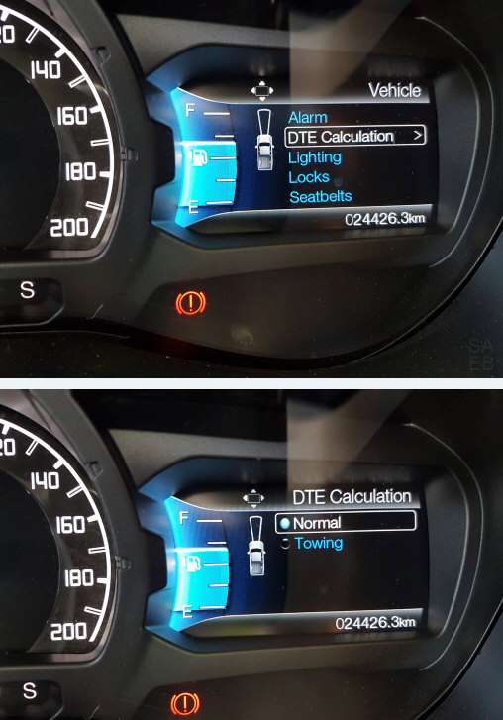
Fuel tank size | IPC | 720-03-01 | XXX5 | 78XX | XXXX | As you can see I have change mine to 3005 7800 00D8. If you have 140 litre tank then this is right for you. The only areas of concern are XXX5 78XX XXXX Now 578 Hex converted to Decimal is 1400. If you divide this by 10 you will get 140 litres. Your original value would have been 320. 320 HEX converted to Decimal is 800. If you divide this by 10 you get 80 litres. Eg. If you have a 135 litre tank you would X 10 so 1350 Decimal and convert to HEX which is 546. So you would enter 546. ** Note if you have a different size tank to 140 litres eg 135 then you would enter 3005 4600 00A6. The last 2 characters XXXX XXXX XXAB are the checksum and will be different for any other changes made on that line. Forscan will give you an error to make sure you are happy with your changes and recalculate the last 2 automatically for you once you you write your change. You will say yes and it will all be sorted. So make your changes and press the write button. The dash will restart and you will be greeted with a proper fuel level and DTE. Once you have finished press the STOP button below and you are done. *Tested on AUS T6 Ranger
1. Remove Chime 2. Add DTE Menu | IPC | 720-01-02 | 0353 | 9A1A | XXXX | Original.. This change will turn off the chime when the door is opened while the car is running and while only in park. Eg. Get home put car in park open door to open gate and f$%#ing noise 4 or 5 times. This will remove it. It will also give you the DTE calculation option in the vehicle setting screen on the right. You will need to change line 720-01-02 from 0353 9A1A to be 2303-9AEA ..Edited as previous code was left hand drive. Now fixed for right hand drive.
 |  |  | 2303 | 9AEA | XXXX | DTE Menu .Tested on AUS T6
Move other chimes to the built in speaker | IPC | 720-01-01 | XXXX | XXX4 | XXXX | Change the 4 to a 0 and no more rude noises through car speakers. Tested on AUS T6
Intelligent 4WD gauge |  |  | XXXX | X2XX | XXXX | Enabled
 |  |  | XXXX | X4XX | XXXX | Disabled
Hill Assist menu | ABS |  |  |  |  | 8F0E Hill assist menu comes up in driver assist.
TPMS tpms 2036832 EV6T-1A180-CB EV6T-1A180-DB EV6T-1A180-DC | BCM | 726-08-01 | X1XX | XXXX | XXXX | activating or deactivating the Ranger PX2 / Everest TPMS (Also require Instrument Cluster Light and Driver Assist Menu (activation / deactivation)) TPMS On: x1x1 xxxx TPMS Off: xxx1 xxxx Everest TH path no.(EV6T 1A180 DC) (726-08-01 0001-0000-00 Default Value TH EV2.2 2015 Ti)
TPMS Setpoints |  | 726-40-01 | XXXX | AABB | XXXX | AA = front axle tire pressure in hex BB = rear axle tire pressure in hex ------------- Example: 30psi in hex = 1E 03E0-1E1E-00 would set the TPMS to 30 psi front and rear. Dec 30 PSI= Hex 1E ,(Warn at 22.5 psi) Dec 31 PSI= Hex 1F ,(Warn at 23.25 psi) Dec 32 PSI= Hex 20 ,(Warn at 24 psi) Dec 33 PSI= Hex 21 ,(Warn at 24.75 psi) Dec 34 PSI= Hex 22 ,(Warn at 25.5 psi) Dec 35 PSI= Hex 23 ,(Warn at 26.25 psi) Dec 36 PSI= Hex 24 ,(Warn at 27 psi) Dec 38 PSI= Hex 26 ,(Warn at 28.5 psi) Dec 40 PSI= Hex 28 ,(Warn at 30 psi) Dec 42 PSI= Hex 2A ,(Warn at 31.5 psi) Dec 44 PSI= Hex 2C ,(Warn at 33 psi) Dec 45 PSI= Hex 2D ,(Warn at 33.75 psi) Dec 46 PSI= Hex 2E ,(Warn at 34.5 psi) Dec 48 PSI= Hex 30 ,(Warn at 36 psi) Dec 50 PSI= Hex 32 ,(Warn at 37.5 psi) (726-40-01 0004-1E1E-00 Default Value TH EV2.2 2015 Ti, Changed to--->0004-2222-94)
TPMS Addition | BCM |  | x*xx | xxxx | xxxx | TPMS Federal Regulation Cfg: 0=Europe, 1=North America
 |  |  | xxx* | xxxx | xxxx | TPMS Number of Tires Cfg: 4=4 tires, 6=6 tires
 |  |  | xxxx | **xx | xxxx | TPMS Placard Front Tire Pressure (convert p.s.i. to hex)
 |  |  | xxxx | xx** | xxxx | TPMS Placard Rear Tire Pressure (convert p.s.i. to hex)
 |  |  | xxxx | xxxx | x*xx | TPMS Reassignment Enable Cfg: 0=disable, 1=enable
 |  | 726-40-02 | x*xx | xxxx | xxxx | TPMS Sensor AutoRange Cfg: 0=off, 1=on
 |  |  | xxx* | xxxx | xxxx | TPMS Sensor LoHi Cfg: 0=High, 1=Low
 |  |  | xxxx | x*xx | xxxx | TPMS Sensor Type Cfg: 0=MY06, 1=MY09, 2=MY15
 |  |  | xxxx | xxx* | xxxx | TPMS Auto Learn Enable Cfg: 0=off, 1=on
 |  |  | xxxx | xxxx | x*xx | TPMS Auto Locate Cfg: 0=disable, 1=enable
TPMS warning lights Menu (TPMS Instrument Cluster Light and Driver Assist Menu) | IPC | 720-03-02 | 8C0E | XXXX |  | TPMS warning lights / Menu On: 8CXE XXXX TPMS warning lights / Menu Off: 8XXE XXXX ------------------ Enable TPMS XCXX-XXXX Automatic Transmission XEXX-XXXX Manual Transmission Disable TPMS X0XX-XXXX Automatic Transmission X2XX-XXXX Manual Transmission ------------------ 8045 Automatic (AUS) 8A45 For manual with Hill Assist (AUS) 8C0E Enable TPMS with no trailer sway. (Thai) 8C4E Enable TPMS with trailer sway. (Thai) (720-03-02 C00E-00 Default Value TH EV2.2 2015 Ti --> 8C4E-00)
Trailer Sway |  |  | XX4X | XXXX |  | 0 No Trailer Sway 4 Trailer Sway ---------------------- (from CC0E 00 to CC4E 00) Trailer sway does not kick in unless you have something in tow. (Tested with PH/EV 2.2 Titanium Premium)
Remove double horn beep when pressing lock button 2 times. | BCM | 726-38-02 | XXX1 | XXXX | XXXX | xxx1-xxxx-xx Enabled
 |  |  | XXX2 | XXXX | XXXX | xxx0-xxxx-xx Disabled
Silent mode / Police Mode | IPC | 720-04-01 | xxxX | XXXX | XXXX | X= 4 enabled menu will be in the settings/vehicle menu. X= 7 If Fuel Economy change from graph to digital number ------------- Ref from 2017 Police Interceptor. Silent Mode (when enabled) Courtesy Lights OFF Welcome/Farewell OFF Ability To Turn OFF Cluster/Center Stack Lighting Via Dimmer Switch DRLs = OFF, Except Canada (Canada = ON) Silent Mode (when disabled) Courtesy Lights ON Welcome/Farewell ON Ability To Turn OFF Cluster/Center Stack Lighting Via Dimmer Switch DRLs = ON -------------- 4->7 The 4 instead of 7 affected Turn signal speed sensitive volume and Running Average Fuel Economy filters so isn't life threatening but should be changed anyway. (720-04-01 0003-0080-00 Default Value TH EV2.2 2015 Ti)
Fuel Economy 3 window | IPC | 720-04-01 | Xxxx | xxxx | xxxx | Adds an "Average Speed" menu item to Trip/Fuel Economy menu 2015 ใส่ 1 (Forward Collision Control disabled - Instantaneous Fuel Economy Numeric Enabled) 2016ใส่3 ( (Forward Collision Control Enabled - Instantaneous Fuel Economy Numeric Enabled) (720-04-01 0003-0080-00 Default Value TH EV2.2 2015 Ti)
Enable DRL | BCM | 726-16-02 | x1x1 | x1x1 | x0 | IPC Control of DRL Enabled (726-16-02 0202-0202-02 Default Value TH EV2.2 2015 Ti)
 |  | 726-21-01 | XXXX | XXXX | X1XX | DRL Option Enabled ..(for EV Trend/Ti) (726-21-01 1400-0101-02 Default Value TH EV2.2 2015 Ti)
 |  | 726-45-01 | XXXX | 7FXX | XXXX | allows all DRL choices at 726-50-01 -------------- Hex addition of all the choices above: 10+01+02+04+08+20+40=7F Example 1: A truck with LEDs would have an as-built value of 726-45-01 xxxx 11xx xxxx which would only allow values at 726-50-01 of Dedicated DRL Lights (10) or DRL disabled (01) = (Hex addition of 10 + 01 = 11) Example 2: A truck with Halogens would have an as-built value of 726-45-01 xxxx 03xx xxxx which would only allow values at 726-50-01 of DRL disabled (01) or DRL low beams (02) = (Hex addition of 01 + 02 = 03) I hope this adds a little clarity to the meaning of the value at 726-45-01 xxxx **xx xxxx (726-45-01 0A01-3100-00 Default Value TH EV2.2 2015 Ti)
 |  | 726-50-01 | 108E |  |  | 10 DRL Enabled - Dedicated H15 in High Beam but we don't have these. Find 726-50-01: 017F Change To: 108E -------------- 726-50-01 108E Dedicated DRL Lights (LED Light Bars/Strips) 726-50-01 017F DRL disabled 726-50-01 0280 DRL - low beams 726-50-01 0482 DRL - front fog lamps 726-50-01 0886 DRL - front turn lamps 726-50-01 209E DRL - high beams 726-50-01 40BE DRL - Low Beams and Dedicated DRL (726-50-01 10(check sum=8E) Default Value TH EV2.2 2015 Ti)
 |  | 726-26-02 | X1XX | XXXX | XXXX | The trick is to enable the following Enable parking lights on with DRL
 | IPC | 720-02-01
 |  |  | XXMX | XXXX | XXXX | ** Needs to have the Auto Lights switch on for DRL to be functional. ** When done, ignition on, light selector switch rotated around to Auto, and then shine a bright light on the light sensor in the centre of the dash, the headlights should go out, and the DRL's should come on. If doing this in sunlight then cover up the sensor and the DRL's should go off and the headlights should come on. ------------------ xxMx-xxxx-xx M = 2 - No accessories chime M = 4 - DRL Menu and No accessories chime. Less Tech Pack M = 6 - DRL Menu and No accessories chime. With Tech Pack, Enable DRL Menu and Disable chimes key in ignition Enable Lane Assist. M = 8 - Accessories chime M = E - DRL Menu and accessories chime 99.9% of you will M = 2 ------------------ RG T6 Tested. C (No DTC) F (No DTC) Warning crime when key fobs in position and open driver door during engine off. E Warning crime when key fobs in position and open driver door during engine off and Lane Keeping show with DTC. ---------------- Trend: If existing line is: FFA5 3C94 0EAC Change To: FFE5 3C94 0Exx Titanium: If existing line is: FFA5 3C54 0E6C Change To: FFE5 3C54 0Exx ------------------ (Add M+4=? Ex. 2+4=6) (720-02-01 CF85-3490-0E Default Value TH EV2.2 2015 Ti)......(CFE5 Wait for Test)
Enable EQ Sync2 | APIM | 7D0-01-02 | XXXX | xAxx | XXXX | Enable EQ Mode in sound settings. Applies to Sync 2. Goto sound and scroll down.
Enable NAV Sync2 |  |  | X4XX | XXXX | XXXX | Adding NAV to a 2015 w/Sync 2 only that doesn't currently have it
Stops Hyper flash issues with replacement LED indicator bulbs. | BCM | 726-27-01 | X*XX | XXXX | XXXX | Front bulb turn outage cfg: 1=outage 0=no outage
 |  | 726-27-02 | XXXX | XXXX | X*XX | Rear bulb turn outage cfg: not yet tested this. 1=outage 0=no outage
The following supposedly check if LED's are out. Didn’t work for the LED's I have. May work for other types though. Needs testing. | BCM | 726-27-01 | XXX* | XXXX | XXXX | Front LED turn outage cfg: 0=no outage 1=outage
 |  | 726-28-01 | X*XX | XXXX | XXXX | Rear LED turn outage cfg: 0=no outage 1=outage
12v power point time-out change | BCM | 726-39-01 | 0001 | XXXX | XXXX | Pls ref with 12V Output Time Cal worksheet. 0001=1sec 000A=10sec 0014=20sec 001E=30sec 003C=1min 005A=1.30min 0708=30min 0E10=1hr or xxxx xXxx xxxx 1 (Enabled - Default - Timeout Active) 0 (Disabled - Power Point Always On) (726-39-01 1194-xxxx-xxxx Default Value TH EV2.2 2015 Ti)
Disable Key In Ignition Warning Chime (in off position) | IPC | 0720-02-01 | XX*X | XXXX | XXXX | To disable, subtract 8 from your current value there where the asterisk is. e.g. If it is an A make it a 2 (Ahex - 8hex = 2hex) , if it's an E make it a 6, etc. Note that values are in Hexidecimal number format.
Disable Warning Chime when door open in P (park) engine on. | IPC | 0720-01-02 | XX*X | XXXX | XXXX | change "*" to 0->4 to disable
Perpendicular Park Assist | PAM | 0736-04-01 | X2XX | XXXX | XXXX | from 0140 200A to 0240 200A Done with my 2.2 Titanium Premium
Adblue Status | IPC | 0720-05-01 | E078 | 0306 |  | from C068 0202 to E078 0306 The Adblue is indicator only since Adblue is not included in PH models of the Everest. (Tested with PH/EV 2.2 Titanium Premium)
Navigation | IPC | 0720-06-01 | XXXX | XX52 |  | from 0000 064A to 0000 0652 Navigation shows compass only, but can be viewed in the dash aside from the Sync2 screen. (Tested with PH/EV 2.2 Titanium Premium)
Enable Front and Rear Park Aid Menu | IPC | 0720-02-02 | 3XXX | XXXX | XXXX | front parking sensor install
Enable Sync2/3 Rear Camera (PIN 14+/15-) | APIM | 7D0-01-01 | xXxx | xxxx | xx | A ..tested work EV Ti 2015 2.2 B..reported DTC code found 2 ------------------- 0 (Disabled) 2 (Enabled) A (Enabled w/ Side Obstacle Detection - 2017 Fusion Only) (7D0-01-01 086A-04C2-38 Default Value TH EV2.2 2015 Ti, Wait to test XAXX-XXXX-XXXX)
 |  |  | XX6X | XXXX | XX | Stereo Extended Play: A=off, 2=20mins, 3=30mins, 4=40mins, 5=50mins, 6=60mins -------------------- Increase radio on time after truck shut down This changes the radio power-off delay to 60 minutes after the truck is shut off. Wait for the ingition power to time out automatically and then turn the radio back on with the RADIO power button, not the ignition button. Alternatively, after turning off the ignition, open and close any door to disable accessory power. Then press the radio power button to turn back on the radio. It will now stay on for the extended time amount.
 | BCM | 726-39-02 | xxxx | x*xx | xxxx | Slave Exists RVC Cfg: 0=absent, 1=present (DTC code found.) (726-39-02 0100-0000-0069 Default Value TH EV2.2 2015 Ti) | 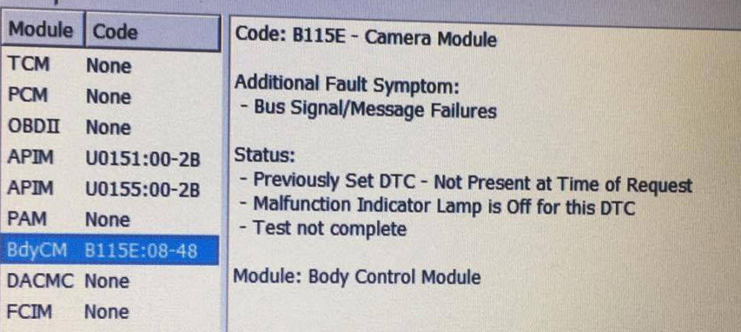
Enable Sync1 Rear Camera (PIN 6+/12-) | FCDIM | 7A5-01-01 | xXxx | xxxx | xxx | Tested on Ranger MC 2016. 2=Enabled 0=Disabled A=(Enable with side obstacle detection -2017Ford Fusion only) (Tested on Ranger XLT with MFT4.2")
Country Code | APIM | 7D0-02-01 | **** | XXXX | XXXX | Country Code: AA+BB 5553=U.S 4341=CA 4153=AU 5448=TH 5753=WS (allows NAV in motion on SYNC 2 only but Sirius Travel Link no longer works.) 564D=VM
Tire Size | BCM | 726-12-01 | XXXX | ABCD | XXXX | Maximum size in hex in the BCM the Everest/Ranger will take before throwing PCM and TCM codes is 0977 (Circumference 2505mm). -------------------- As built data tire size 265/60/18 = 0934 ...EV2.2 2015 265/50/20 = 092E ...EV2.2 2016 265/65/17 = 0938 ...RG2.2 2016 -------------------- New User Tire (Sheet) 265/69/17 = 0977 265/55/20 = 097D (Error) 275/55/20 = 099E (Error) 275/65/18 = 09AB (Error) 275/70/17 = 09B1 (Error) 285/75/16 = 09E5 (Error) 265/75/16 = 098A (Error) 285/50/20 = 0969 275/50/20 = 094B 275/65/16 = 0911 275/60/18 = 0957 265/65/18 = 0984 (Error) (726-12-01 0175-0934-55 Default Value TH EV2.2 2015 Ti)
Rear Axle Ratio อัตราทดเกียร์หลัง (XXXX = ratio in hex) |  |  | XXXX | XXXX | XXXX
Rear Axle Ratio (3.15) |  |  | 013B | XXXX | XXXX
Rear Axle Ratio (3.31) |  |  | 014B | XXXX | XXXX
Rear Axle Ratio (3.55) |  |  | 0163 | XXXX | XXXX
Rear Axle Ratio (3.73) |  |  | 0175 | XXXX | XXXX
Rear Axle Ratio (4.10) |  |  | 019A | XXXX | XXXX
Power Distribution Display | IPC | 720-07-01 | XXXX | 8XXX | XXXX | 2016 model up ---------------- show intelligent 4wd menu -------- 2WD will be show DTC code IPC U0138:00-08 |  | 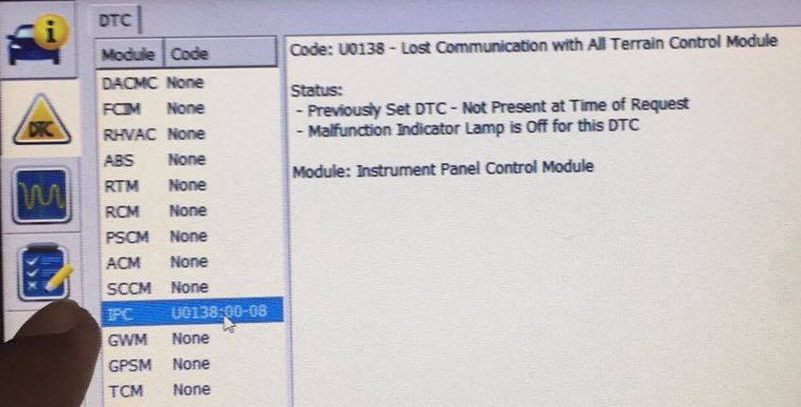
 |  | 720-07-02 | XX6X | XXXX | XXXX | enable mode display on intelligent 4wd menu
Adaptive Cruise Control | BCM | 726-13-01 | xxxC | xxxx | xxxx | Adaptive Cruise Control enabled
 |  |  | xxx8 | xxxx | xxxx | Adaptive Cruise Control disabled
Sync2 Splash Screen | AIPM | 7D0-01-02 | *xxx | xxxx | xxxx | Brand: 0=Ford, 8=Lincoln, C=Configurable Splash Screen, A=a picture of an electric car+Lincon Splash | 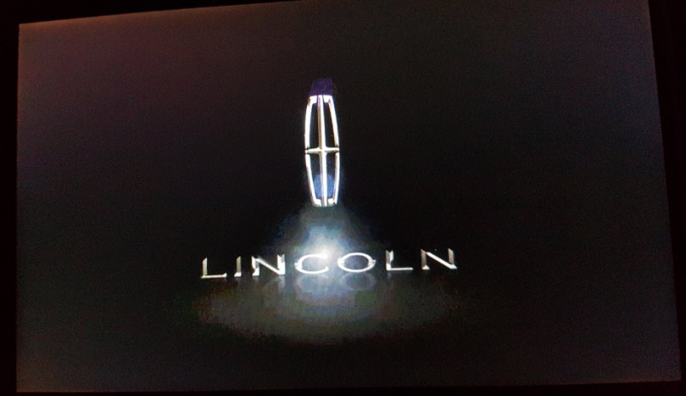 | 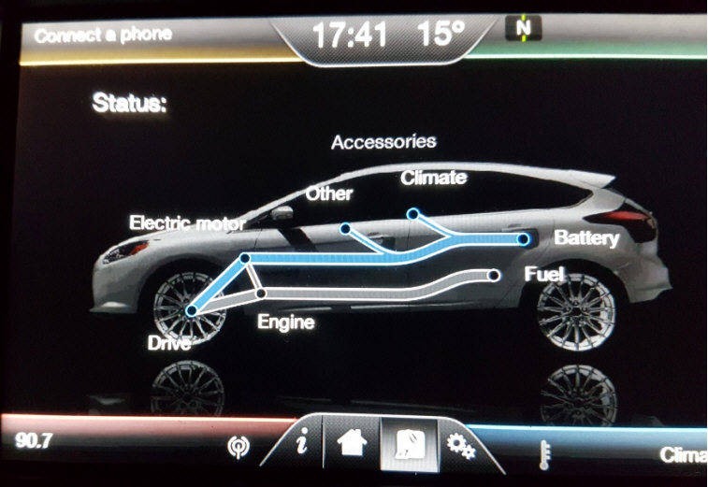 | 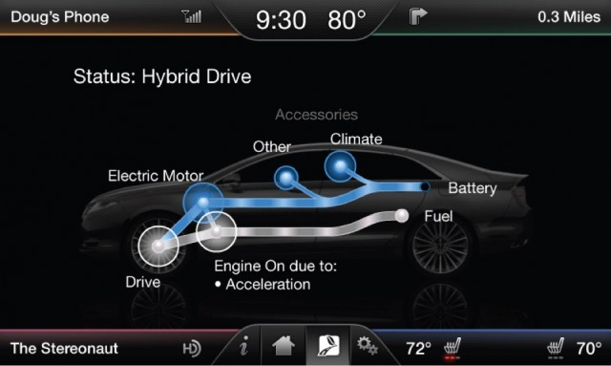
Sync2 |  | 7D0-01-01 | xxxx | *xxx | xxxx | Aux Input & Volume Knob Display: 0=Audio Only & Rotary volume, 8=Audio & Video & Rotary volume, 1=Audio Only & Horizontal volume
 |  | 7D0-02-01 | **** | xxxx | xxxx | Country Code: 5553=U.S., 4341=CANADA
Ambient Lighting | AIPM | 7D0-01-02 | xxx3 | xxxx | xxxx | (Sync II settings->vehicle menu) To enable screen reader support, press Ctrl+Alt+Z To learn about keyboard shortcuts, press Ctrl+slash ---------------------- Enabled=3 Disabled=1 2.2 w/o ambient light will show DTC APIM U0151:00-2B, U0155:00-2B
Ambient Lighting | BCM | 26-31-01 | XXX2 | XXXX
Ambient Lighting | BCM | 26-31-02 | XXXX | XXXF
A/V in option (Sync II entertainment media selection) | APIM | 7D0-02-02 | xxxx | x0xx | xxzz | Enabled=0
 |  |  | xxxx | x8xx | xxzz | Disabled=8
Add Menu Autolamp delay | IPC | 0720-01-01 | XXX* | XXXX | XXXX | Auto High Beam (AHB) / Autolamp Delay (AD) / Autolock (AL) 0=AHB disabled, AHB absent, AD absent, AL absent 1=AHB disabled, AHB absent, AD absent, AL present 2=AHB disabled, AHB absent, AD present, AL absent 3=AHB disabled, AHB absent, AD present, AL present 4=AHB disabled, AHB present, AD absent, AL absent 5=AHB disabled, AHB present, AD absent, AL present 6=AHB disabled, AHB present, AD present, AL absent 7=AHB disabled, AHB present, AD present, AL present 8=AHB enabled, AHB absent, AD absent, AL absent 9=AHB enabled, AHB absent, AD absent, AL present A=AHB enabled, AHB absent, AD present, AL absent B=AHB enabled, AHB absent, AD present, AL present C=AHB enabled, AHB present, AD absent, AL absent D=AHB enabled, AHB present, AD absent, AL present E=AHB enabled, AHB present, AD present, AL absent F=AHB enabled, AHB present, AD present, AL present (720-01-01 0459-1464-60 Default Value TH EV2.2 2015 Ti -> 045B-1464-XX)
Electronic Turn Signal | SCCM | 724-01-01 | XXXX | X*XX | XX | Electronic Turn Signal Cancel Cfg: # of Flashes & On Until Cancelled (OUC) 0=1 flash & OUC false 1=1 flash & OUC true 2=1 flash & OUC false 3=1 flash & OUC true 4=2 flashes & OUC false 5=2 flashes & OUC true 6=3 flashes & OUC false 7=3 flashes & OUC true 8=4 flashes & OUC false 9=4 flashes & OUC true A=5 flashes & OUC false B=5 flashes & OUC true C=6 flashes & OUC false D=6 flashes & OUC true E=7 flashes & OUC false F=7 flashes & OUC true (724-01-01 1920-0600-E4 Default Value TH EV2.2 2015 Ti Tested.)
Reverse Warning | IPC | 720-01-01 | xxxx | xx*x | xxzz | E = Reverse warning F = Reverse warning + Parking warning (engine off when gear=D position will warning 3 beep)
Fog Light | BdyCM | 726-07-01 | xxxx | xYxx | xxxx | Y=0 turn off fog light auto cancel Y=1 turn on fog light auto cancel
GCC Overspeed Warning 120kph and over | IPC | 720-02-01 | XXXX | XXXX | X*XX | E=Disable F=Enable
RG T6 2.2 2013 Fuel consumption calculator L/100km to Km/L | IPC | 720-14-01 | xYxx |  |  | Y=1 L/100km (013D) Y=2 Km/L (023E) | 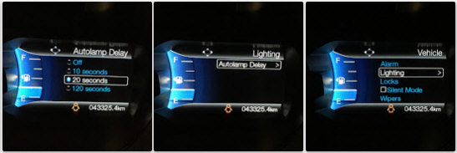 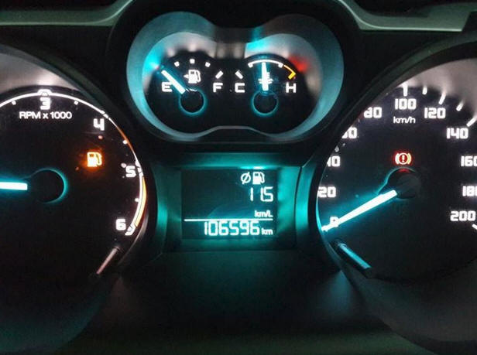
RG T6 2.2 2013 Warning Signal when front mirror water emty | IPC | 720-02-02 | 012B |  |  | Need Sensor #7 700thb
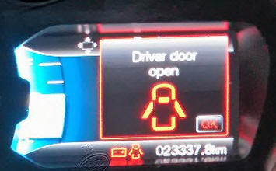
 | BdyCM | 726-01-02 | 0101
Country Change (wording when driver door open) | IPC | 720-04-02 | xxxY | xxxx |  | Y=8 Driver door ajar (default 5448-8049) Y= F Driver door open (544F-8050)
Upshift Indicator (Manual Transmittion) |  |  |  |  |  | IPC Module Config
Headlight type |  | 726-26-02 | xxxx | xxxY | xxxx | Y = 0 (LEDs/HIDs)
Double Horn Disable Menu (EV/RG 2.0) | BdyCM | 726-41-02 | xxx* | xxxx | xxxx | Double Horn Honk: 0=disabled, 1=enabled

Ranger Raptor 2.0
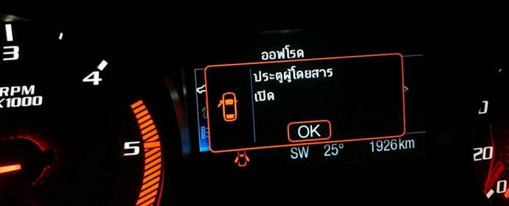
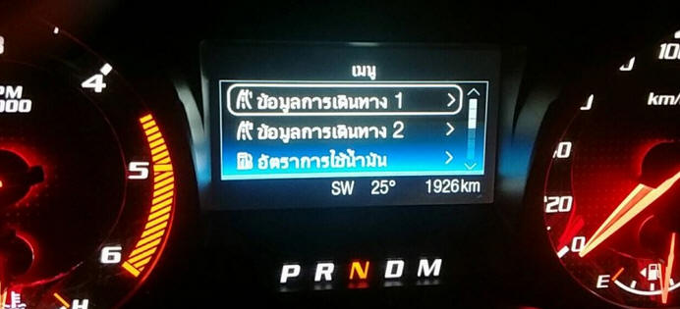
Last Revised: 20/06/2019 : Double Horn Disable Menu (EV/RG 2.0)
http://www.everestclubthailand.com/index.php/board,20.0.html
Feature Name | Module | Address | Value change |  |  | Notes
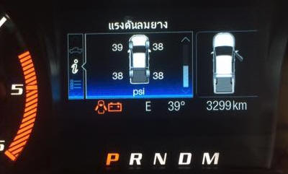
Country Code (Thai Menu) | IPC | 720-04-02 | AABB | XXXX | XXXX | Country Code: AA+BB 564D=VM (Default Value RG RT 2.0 2018) 5448=TH (Use this code to add Thai languages into car dashboard.) 5553=U.S 4341=CA 4153=AU 5753=WS
TPMS System | BCM | 726-08-01 | X1XX | XXXX | XXXX | 1 TPMS Enabled
 |  |  | X0XX | XXXX | XXXX | 0 TPMS Disabled
TPMS Sensor Type | BCM | 726-40-02 | XXXX | X1XX | XXXX | TPMS Sensor Type Cfg: 0=MY06, 1=MY09, 2=MY15
TPMS Setpoints | BCM | 726-40-01 | XXXX | AABB | XXXX | "AA = front axle tire pressure in hex BB = rear axle tire pressure in hex ------------- Example: 30psi in hex = 1E 03E0-1E1E-00 would set the TPMS to 30 psi front and rear. Dec 30 PSI= Hex 1E ,(Warn at 22.5 psi) Dec 31 PSI= Hex 1F ,(Warn at 23.25 psi) Dec 32 PSI= Hex 20 ,(Warn at 24 psi) Dec 33 PSI= Hex 21 ,(Warn at 24.75 psi) Dec 34 PSI= Hex 22 ,(Warn at 25.5 psi) Dec 35 PSI= Hex 23 ,(Warn at 26.25 psi) Dec 36 PSI= Hex 24 ,(Warn at 27 psi) Dec 38 PSI= Hex 26 ,(Warn at 28.5 psi) Dec 40 PSI= Hex 28 ,(Warn at 30 psi) Dec 42 PSI= Hex 2A ,(Warn at 31.5 psi) Dec 44 PSI= Hex 2C ,(Warn at 33 psi) Dec 45 PSI= Hex 2D ,(Warn at 33.75 psi) Dec 46 PSI= Hex 2E ,(Warn at 34.5 psi) Dec 48 PSI= Hex 30 ,(Warn at 36 psi) Dec 50 PSI= Hex 32 ,(Warn at 37.5 psi)
TPMS warning lights Menu | IPC | 720-03-02 | 8C4E | XXXX |  | TPMS warning lights / Menu On: 8CXE XXXX TPMS warning lights / Menu Off: 8XXE XXXX ------------------ Enable TPMS XCXX-XXXX Automatic Transmission XEXX-XXXX Manual Transmission Disable TPMS X0XX-XXXX Automatic Transmission X2XX-XXXX Manual Transmission ------------------ 8045 Automatic (AUS) 8A45 For manual with Hill Assist (AUS) 8C0E Enable TPMS with no trailer sway. (Thai) 8C4E Enable TPMS with trailer sway. (Thai)
TPMS Display | IPC | 720-04-01 | X4XX | XXXX | XXXX | 0=Absent 8=KPA C=BAR 4=PSI
Display specified TPMS value | IPC | 720-04-01 | xxXx | xxxx | xxxx | 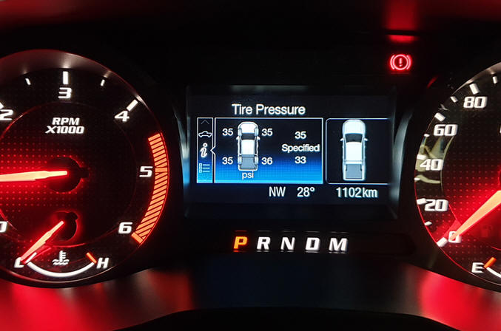 set to 8
Off Road Gauge. | IPC | 720-07-02 | 0364 or 0204 | xxxx | xxxx | 0364-00 collision detection+Pitch & Roll. Tested TH EV2.2 2016 Ti+ (for front camera model) 0204-00 Pitch & Roll. (for none collision detection model) less tech pack front camera for Everest Trend.Tested TH EV2.2 2015 Ti x3xx-xxxx Off Road Gauge. Pitch Roll don't working x2xx-xxxx Off Road Gauge w/o front camera error/alarm. tested on EV2.2 2x4 x1xx-xxxx Disable Off Road Gauge xxx0-xxxx Display Ford Ranger Picture xxx4-xxxx Display Ford Everest Picture (0004-0034 Default Value TH EV2.2 2015 Ti)
Trailer Sway |  |  |  |  |  | 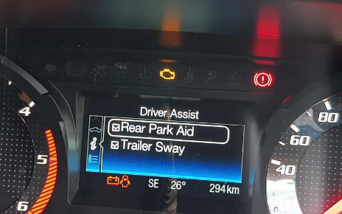 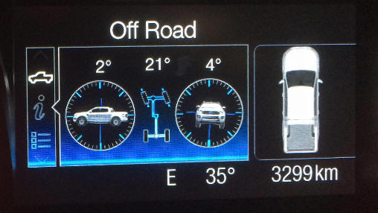
Power Distribution Display |  |  |  |  |  | 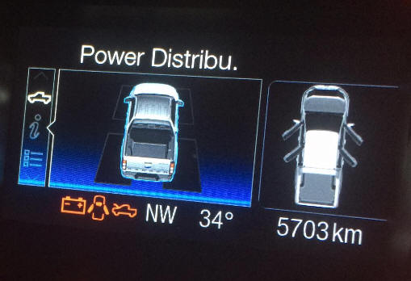
Double Horn Disable Menu (EV/RG 2.0) | BdyCM | 726-41-02 | xxx* | xxxx | xxxx | Double Horn Honk: 0=disabled, 1=enabled
Disable HyperBlink | BdyCM | 726-27-01 | x0xx | xxxx | xxxx

